git
1.Setting github SSK kry
1 | git config --global user.name "qidawei01"
 | git config --global user.email "qidawei01@qq.com"

2 | open Git Bash
 | ssh-keygen -t rsa -C "qidwei01@qq.com"
 | 3 times enter
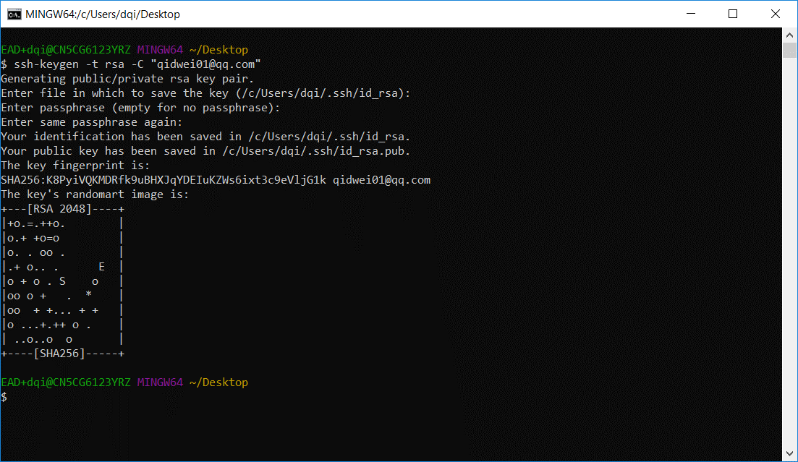

3 | start ssh-agent
 | eval $(ssh-agent -s)
 | ssh-add C:/Users/dqi/.ssh/id_rsa
 | ssh-add -l
 | ssh-add -l -E md5

3 | add ssk key add your github
 | clip < C:/Users/dqi/.ssh/id_rsa.pub
 | github ->setting -> SSH key ->add key

4 | test connect,open git bash
 | ssh -T git@github.com
 | if show you name, success!

5 | refer | https://blog.csdn.net/sam_zhang1984/article/details/78668250

2.learn git bash
 | refer | https://segmentfault.com/a/1190000013736711

 | Multiuser | https://www.cnblogs.com/xjnotxj/p/5845574.html
3 use git command
 | git clone git@github.com:qidawei01/VueJS-Demo.git
 | git init
 | git add youfilePath
 | git commit -m 'info'
 | git pull | * download new code don't forget IT
 | git push | * upload your code

4 use vscode ui operation

